BR
ID # | Bug name | Description | Steps to reproduce | Test data | Expected result | Actual result | Repro rate | Priority | Severity | Attachments

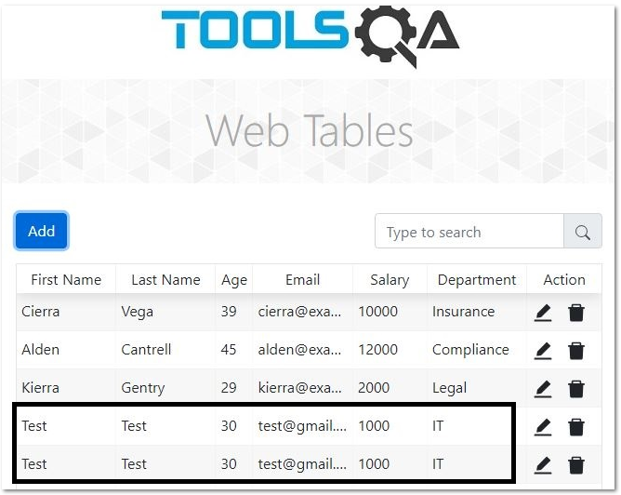
 | Web Tables store identical data user | When user enters data identical to user already added to the list and clicks add, list stores user. | Open browser
 |  |  | Go to URL: www.demoqa.com
 |  |  | Click Elements field
 |  |  | Click Web tables
 |  |  | Click on Add button
 |  |  | Enter name | Test
 |  |  | Enter last name | Testov
 |  |  | Enter email | test@gmail.com
 |  |  | Enter age | 30
 |  |  | Enter salary | 1000
 |  |  | Enter department | IT | User exists message triggered | User added to the list | 100% | High | High
 |  |  | Click submit

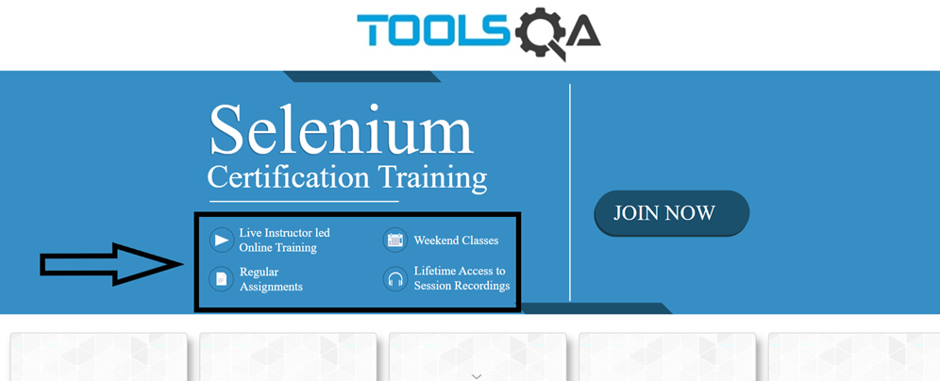
 | Home page banner buttons not clickable | When user opens Home page, banners buttons are not transferred to selected option page | Open browser
 |  |  | Go to URL: www.demoqa.com
 |  |  | Click on Weekend clases button |  | Transferred to Weekend classes page | Remained on Home page | 100% | High | Low

